Sheet1
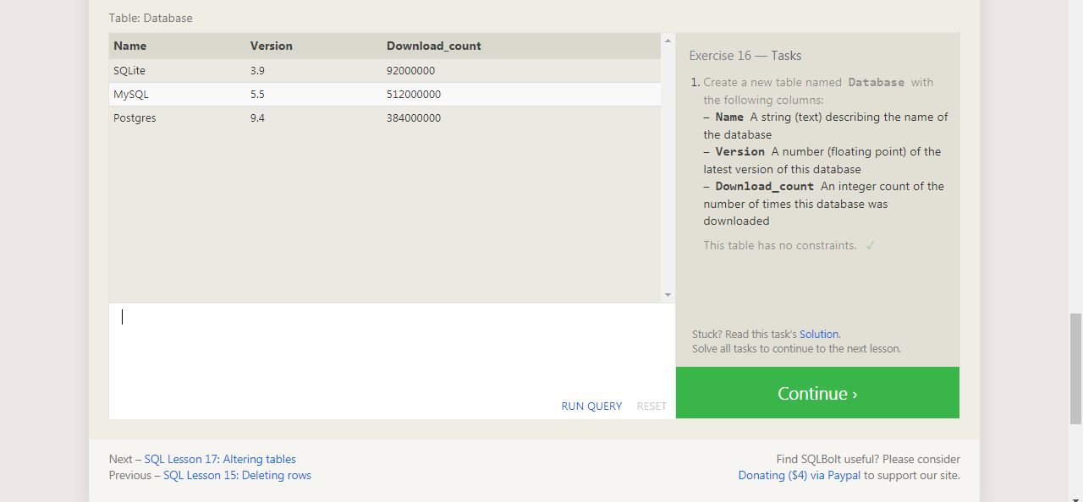
CREATE TABLE Database (
Name TEXT,
Version FLOAT,
Download_count INTEGER
);

